Indicator Mastersheet notes
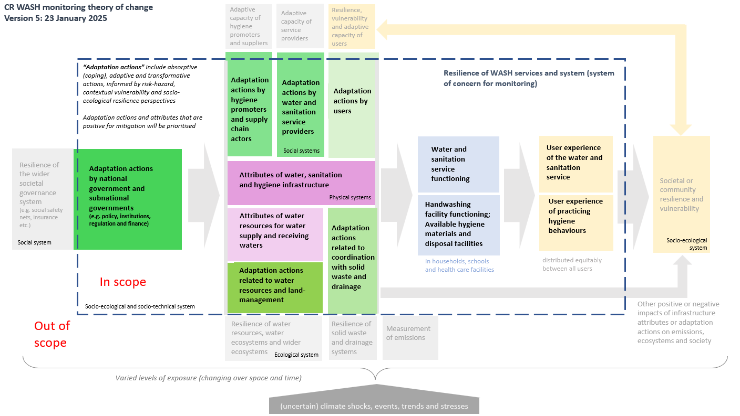

Pertaining to
Water Supply
Sanitation
Hygiene
All

Framework Components
1. Adaptation actions by national and subnational governments - Policy |  | Climate Resilient Sanitation User Interface, Capture, and Containment (including flush)
2. Adaptation actions by national and subnational governments - Institutions |  | Climate Resilient Sewer Conveyance
3. Adaptation actions by national and subnational governments - Regulation |  | Climate Resilient Design and Operation of WW and FS Treatment Processes
4. Adaptation actions by national and subnational governments - Finance |  | Climate Resilient Conveyance by Road (including emptying)
5. Adaptation actions by hygiene promoters and supply chain actors |  | Climate Resilient Sanitation System
6. Adaptation actions by water and sanitation service providers - Water Supply |  | Climate Resilient Water Source
7. Adaptation actions by water and sanitation service providers - Sanitation
8. Adaptation actions by users - Water Supply |  | Climate Resilient Water Treatment
9. Adaptation actions by users - Sanitation
10. Adaptation actions by users - Hygiene
14. Attributes of water, sanitation, and hygiene infrastructure - Water Supply |  | Climate Resilient Water Storage and Distribution
15. Attributes of water, sanitation, and hygiene infrastructure - Sanitation
16. Attributes of water, sanitation, and hygiene infrastructure - Hygiene
13. Attributes of water resources for water supply and receiving waters |  | Climate Resilient Household Water Management
11. Adaptation actions related to water resources and land-management |  | Climate Resilient Water Supply System
12. Adaptation actions related to coordination with solid waste and drainage |  | Climate Resilient Hand Hygiene
17. Water service functioning |  | Climate Resilient Menstrual Hygiene Management
18. Sanitation service functioning |  | Climate Resilient Incontinence Management
20. User experience of the water service |  | Climate Resilient Hygiene System
21. User experience of the sanitation service |  | Climate Resilient WASH System
19. Handwashing facility function: Available hygiene materials and disposal facilities
22. User experience of practicing hygiene behaviours
 |  | Changing precipitation patterns; Floods
 |  | Relative sea level
Source of Indicator |  | Multiple hazards
Review | Extracted literature review R1,R2,R3,R4 etc | Changing precipitation patterns; Droughts
Consortium | Suggested by consortium (expert opinion) | Not explicitly climate change focussed
Academic and grey literature outside of reviews | Extracted from known literature | Changing precipitation patterns
 |  | Changing air temperature
Evidence? |  | Extreme heat
Evidence |  | Severe wind
Derived from Evidence |  | Droughts
No Evidence |  | Fire weather
 |  | Floods
Type of evidence |  |  |  |  |  |  | Objectives for Service Providers
Quantitative |  | Appropriate standards and design guidance exist to address climate hazards |  |  |  |  | Construction and design standards for climate resilient WASH are implemented
Qualitative |  | Availability and access to climate resilient WASH services |  |  |  |  | Operation and management is appropriate to ensure and advance climate resilience
0 |  | Climate information is available for decision making |  |  |  |  | Workforce with sufficient quantity and capability to deliver climate resilient WASH is in place
 |  | Coherence and cooperation between agencies to deliver climate resilient WASH |  |  |  |  | Adaptive management/scenario planning is used to address uncertainty
Source of Evidence |  | Construction and design standards for climate resilient WASH are implemented |  |  |  |  | Adaptation actions informed through consultations with diverse groups
R1a | Indicator is from R1a | Data, and associated mechanisms, are in place to learn from what is and isn't working |  |  |  |  | Supply chain climate risks are analysed and addressed
R1b | Indicator is from R1b | Early warning systems in place that support actions to reduce impact of climate events |  |  |  |  | Proactive plans and actions in place to prepare for the effects of climate events
R1c | Indicator is from R1c | Operation and management is appropriate to ensure and advance climate resilience |  |  |  |  | Emergency response protocols/plans/back-ups in place
Adapted from R1 | Indicator is derived from evidence presented in RX | Progress towards climate resilience WASH is equitable |  |  |  |  | Vulnerable, exposed groups (cross-subsidies, ensuring back-ups etc.) are proactively considered in climate-resilience planning
R2 | Indicator is evidenced in RX | Recovery time post-climate event is minimised |  |  |  |  | Financial implications of climate events/disasters are considered and to finance secured (eg tariffs include it or external support exists)
Adapted from R2 | Indicator is derived from evidence presented in RX | Risk prioritsation in the sector considers climate hazards |  |  |  |  | Early warning systems in place that support actions to reduce impact of climate events
R3 | Indicator is evidenced in RX | Sufficient quantity and capability of workforce to deliver climate resilient WASH |  |  |  |  | Disaster organisations and service providers are connected
Adapted from R3 | Indicator is derived from evidence presented in RX | Supply chains are resilient to climate hazards |  |  |  |  | Coordination between climate-related actors at different levels and service providers
R4a | Indicator is evidenced in RX | Users receiving messages that inform user adaptation actions |  |  |  |  | Innovations are trialed by service providers
R4b | Indicator is evidenced in RX | WASH sector has embedded approach to adaptation to climate change |  |  |  |  | Co-benefits with other sectors sought in supporting resilience (eg health, education, energy security)
Adapted from R4a | Indicator is derived from evidence presented in RX | Water resource management supports climate resilience WASH |  |  |  |  | Support to households provided to undertake actions for climate resilience/ recovery
Adapted from R4b | Indicator is derived from evidence presented in RX | Delete |  |  |  |  | Data, and associated mechanisms, are in place to learn from what is and isn't working
HIC catchment management
0
 | ``
B
V
S
B; S

Family 1 | Family 2 | Family 3 | Family 4 | Family 5 | Family 6 | Family 7
Policy |  |  |  |  | Infrastructure Assets
Legislation |  |  |  |  | Service Delivery Models
Sector reforms |  |  |  |  | Technical management & support
Data and information |  |  |  |  | Infrastructure Development (project preparation, procurement)
Planning, monitoring and review, learning and adaptation |  |  |  |  | New Construction, Rehabilitation*
Organisational strategy |  |  |  |  | Increased Water Supply
Systematic Change |  |  |  |  | Water Storage Capacity
Institutions/ Institutional capacity |  |  |  |  | Maintenance
Institutional Framework |  |  |  |  | Functionality
Institutional arrangements
Government Leadership
Coordination
Partnerships, Cooperation
Prioritization of WASH
Regulatory Framework
Regulations, Rules
Standards, Norms, SOPs
Regulatory functions
Surveillance
Accountability mechanisms
Audits, Corporate Governance
Compliance, Enforcement, Reporting
Service level & quality
Operational Sustainability & Efficiency (non-revenue water, cost recovery)
Commercial Efficiency
Participation policies, procedures (6b.1)
Public engagement processes
Awareness, outreach, information
Behaviour Change Programme
Levels of participation
Behaviour Change
Public Satisfaction
WASH Workforce
Human capital
Human Resources Management*
Capacity Development/ Training
Staffing levels, performance
Job creation
Worker Safety
Infrastructure Assets
Service Delivery Models
Technical management & support
Infrastructure Development (project preparation, procurement)
New Construction, Rehabilitation*
Increased Water Supply
Water Storage Capacity
Maintenance
Functionality
Funding, Financing
Financial Management
Tracking Finance Flows
Budgeting, Expenditure
Financial performance
Financial viability
Creditworthiness

