Indicator Mastersheet notes
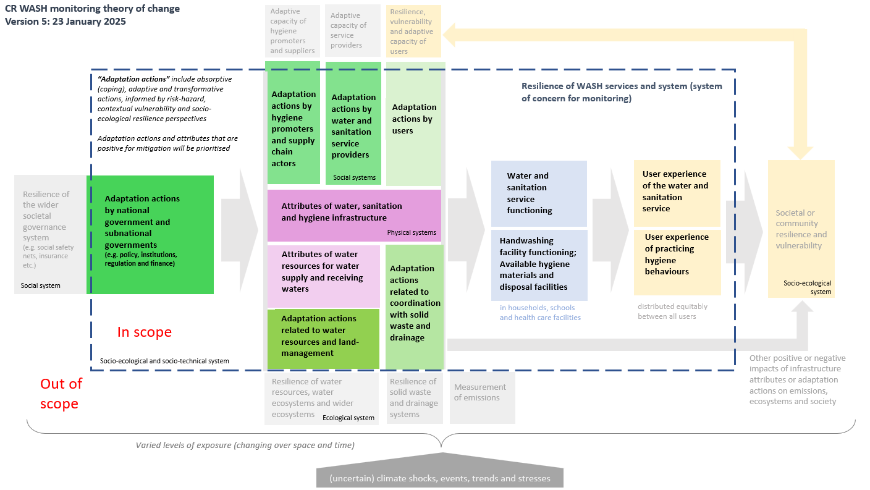

Pertaining to
Water Supply
Sanitation
Hygiene
All

Framework Components
Adaptation actions by national and subnational governments - Policy |  | Climate Resilient Sanitation User Interface, Capture, and Containment (including flush)
Adaptation actions by national and subnational governments - Institutions |  | Climate Resilient Sewer Conveyance
Adaptation actions by national and subnational governments - Regulation |  | Climate Resilient Design and Operation of WW and FS Treatment Processes
Adaptation actions by national and subnational governments - Finance |  | Climate Resilient Conveyance by Road (including emptying)
Adaptation actions by hygiene promoters and supply chain actors |  | Climate Resilient Sanitation System
Adaptation actions by water and sanitation service providers |  | Climate Resilient Water Source
Adaptation actions by users |  | Climate Resilient Water Treatment
Attributes of water, sanitation, and hygiene infrastructure |  | Climate Resilient Water Storage and Distribution
Attributes of water resources for water supply and receiving waters |  | Climate Resilient Household Water Management
Adaptation actions related to water resources and land-management |  | Climate Resilient Water Supply System
Adaptation actions related to coordination with solid waste and drainage |  | Climate Resilient Hand Hygiene
Water service functioning |  | Climate Resilient Menstrual Hygiene Management
Sanitation service functioning |  | Climate Resilient Incontinence Management
User experience of the water service |  | Climate Resilient Hygiene System
User experience of the sanitation service |  | Climate Resilient WASH System
Handwashing facility function: Available hygiene materials and disposal facilities
User experience of practicing hygiene behaviours
 |  | Changing precipitation patterns; Floods
 |  | Relative sea level
Source of Indicator |  | Multiple hazards
Review | Extracted literature review R1,R2,R3,R4 etc | Changing precipitation patterns; Droughts
Consortium | Suggested by consortium (expert opinion) | Not explicitly climate change focussed
Academic and grey literature outside of reviews | Extracted from known literature | Changing precipitation patterns
 |  | Changing air temperature
Evidence? |  | Extreme heat
Evidence |  | Severe wind
Derived from Evidence |  | Droughts
No Evidence |  | Fire weather
 |  | Floods
Type of evidence
Quantitative |  | Appropriate standards and design guidance exist to address climate hazards
Qualitative |  | Availability and access to climate resilient WASH services
0 |  | Climate information is available for decision making
 |  | Coherence and cooperation between agencies to deliver climate resilient WASH
Source of Evidence |  | Construction and design standards for climate resilient WASH are implemented
R1a | Indicator is from R1a | Data, and associated mechanisms, are in place to learn from what is and isn't working
R1b | Indicator is from R1b | Early warning systems in place that support actions to reduce impact of climate events
R1c | Indicator is from R1c | Operation and management is appropriate to ensure and advance climate resilience
Adapted from R1 | Indicator is derived from evidence presented in RX | Progress towards climate resilience WASH is equitable
R2 | Indicator is evidenced in RX | Recovery time post-climate event is minimised
Adapted from R2 | Indicator is derived from evidence presented in RX | Risk prioritsation in the sector considers climate hazards
R3 | Indicator is evidenced in RX | Sufficient quantity and capability of workforce to deliver climate resilient WASH
Adapted from R3 | Indicator is derived from evidence presented in RX | Supply chains are resilient to climate hazards
R4a | Indicator is evidenced in RX | Users receiving messages that inform user adaptation actions
R4b | Indicator is evidenced in RX | WASH sector has embedded approach to adaptation to climate change
Adapted from R4a | Indicator is derived from evidence presented in RX | Water resource management supports climate resilience WASH
Adapted from R4b | Indicator is derived from evidence presented in RX
HIC catchment management
0
 | ``
B
V
S
B; S

Family 1 | Family 2 | Family 3 | Family 4 | Family 5 | Family 6 | Family 7
Policy |  |  |  |  | Infrastructure Assets
Legislation |  |  |  |  | Service Delivery Models
Sector reforms |  |  |  |  | Technical management & support
Data and information |  |  |  |  | Infrastructure Development (project preparation, procurement)
Planning, monitoring and review, learning and adaptation |  |  |  |  | New Construction, Rehabilitation*
Organisational strategy |  |  |  |  | Increased Water Supply
Systematic Change |  |  |  |  | Water Storage Capacity
Institutions/ Institutional capacity |  |  |  |  | Maintenance
Institutional Framework |  |  |  |  | Functionality
Institutional arrangements
Government Leadership
Coordination
Partnerships, Cooperation
Prioritization of WASH
Regulatory Framework
Regulations, Rules
Standards, Norms, SOPs
Regulatory functions
Surveillance
Accountability mechanisms
Audits, Corporate Governance
Compliance, Enforcement, Reporting
Service level & quality
Operational Sustainability & Efficiency (non-revenue water, cost recovery)
Commercial Efficiency
Participation policies, procedures (6b.1)
Public engagement processes
Awareness, outreach, information
Behaviour Change Programme
Levels of participation
Behaviour Change
Public Satisfaction
WASH Workforce
Human capital
Human Resources Management*
Capacity Development/ Training
Staffing levels, performance
Job creation
Worker Safety
Infrastructure Assets
Service Delivery Models
Technical management & support
Infrastructure Development (project preparation, procurement)
New Construction, Rehabilitation*
Increased Water Supply
Water Storage Capacity
Maintenance
Functionality
Funding, Financing
Financial Management
Tracking Finance Flows
Budgeting, Expenditure
Financial performance
Financial viability
Creditworthiness

Objectives pivots
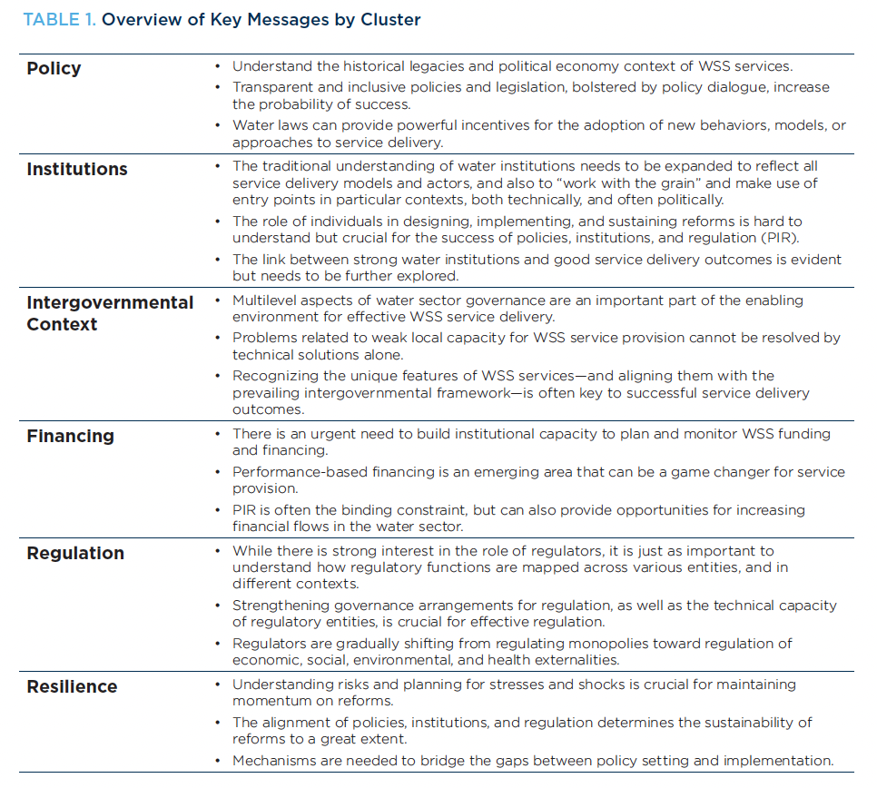
Col G |  | Proposed new Col G |  |  |  |  |  | World Bank PIRF | KC process notes.
Indicator Objective | Count of Indicator Objective | Count of Revised indicator objectives [KC] | Pertaining to (Water supply/Sanitation/Hygiene) |  |  |  |  |  | Indicator Objective | Count of Indicator Objective | Suggested reword | Notes
Construction and design standards for climate resilient WASH are implemented | 90 | Revised indicator objectives [KC] | All | Hygiene | Sanitation | Water Supply | Grand Total |  | Access maintained to toilet during and following flooding | 11 | Access maintained to toilet during and following flooding
Availability and access to climate resilient WASH services | 51 | Appropriate standards and design guidance exist to address climate hazards | 2 |  | 2 | 1 | 5 |  | Agreements and alignment | 7 | Coherence and cooperation between agencies to deliver climate resilient WASH
Progress towards climate resilience WASH is equitable | 16 | Availability and access to climate resilient WASH services |  | 27 | 8 | 10 | 45 |  | Availability of hygiene infrastructure | 12 | Availability of and access to appropriate hygiene facilities | This includes water infrastructure for hygiene purposes, or toilet facilities for hygiene purposes.
Recovery time post-climate event is minimised | 12 | Climate information is available for decision making | 3 |  | 1 |  | 4 |  | Availability of materials for handwashing | 7 | Availability of and access to appropriate hygiene materials | Merged these 3. May be concerns about marginalising incontinence
Sufficient quantity and capability of workforce to deliver climate resilient WASH | 16 | Coherence and cooperation between agencies to deliver climate resilient WASH | 9 | 1 | 3 | 1 | 14 |  | Availability of safe, secure and preferred incontinence products | 1 | Availability of and access to appropriate hygiene materials
Coherence and cooperation between agencies to deliver climate resilient WASH | 14 | Construction and design standards for climate resilient WASH are implemented |  |  | 72 | 19 | 91 |  | Availability of safe, secure and preferred MHM products | 6 | Availability of and access to appropriate hygiene materials
Climate information is available for decision making | 4 | Data, and associated mechanisms, are in place to learn from what is and isn't working | 8 |  | 3 | 6 | 17 |  | Capacity Development/Training | 11 | Sufficient quantity and capabiltiy of workforce to deliver climate resilient WASH
WASH sector has embedded approach to adaptation to climate change | 48 | Early warning systems in place that support actions to reduce impact of climate events | 13 | 6 | 5 | 3 | 27 |  | Climate resilient toilet and containment are constructed | 8 | Construction and design standards for climate resilient sanitation are implemented
Data, and associated mechanisms, are in place to learn from what is and isn't working | 16 | Operation and management is appropriate to ensure and advance climate resilience |  |  | 20 | 9 | 29 |  | CSOs are used only within acceptable public health parameters | 6 | CSOs are used only within acceptable public health parameters
Early warning systems in place that support actions to reduce impact of climate events | 25 | Progress towards climate resilience WASH is equitable | 8 | 4 | 3 | 1 | 16 |  | Data and learning | 6 | Data, and associated mechanisms, are in place to learn from what is and isn't working | Links to A2A - Planning, monitoring and review, learning and adaptation
Operation and management is appropriate to ensure and advance climate resilience | 25 | Recovery time post-climate event is minimised | 2 |  | 4 | 5 | 11 |  | Disposal | 3 | Availability of and access to appropriate hygiene facilities | Merged with infrastructured
Supply chains are resilient to climate hazards | 18 | Risk prioritsation in the sector considers climate hazards |  |  | 2 | 3 | 5 |  | Early warning systems and emergency response | 23 | Early warning systems in place that support actions to reduce impact of climate events
Users receiving messages that inform user adaptation actions | 25 | Sufficient quantity and capability of workforce to deliver climate resilient WASH | 4 | 1 | 5 | 5 | 15 |  | Education | 12 | Users receiving messages that inform user adaptation actions | targeted behavioural campaigns?
Appropriate standards and design guidance exist to address climate hazards | 5 | Supply chains are resilient to climate hazards | 2 | 11 | 3 | 2 | 18 |  | Emptying service is maintained | 8 | Emptying service is maintained
Water resource management supports climate resilience WASH | 10 | Users receiving messages that inform user adaptation actions | 2 | 16 | 3 | 3 | 24 |  | Equitable access to services | 14 | Progress towards climate resilience WASH is equitable
Risk prioritsation in the sector considers climate hazards | 5 | WASH sector has embedded approach to adaptation to climate change | 17 | 8 | 8 | 15 | 48 |  | Human resouces | 1 | Sufficient quantity and capability of workforce to deliver climate resilient WASH
Grand Total | 380 | Water resource management supports climate resilience WASH | 2 |  |  | 8 | 10 |  | Information | 7 | Climate information is available for decision making
 |  | (blank) |  |  |  |  |  |  | Infrastructure is protected from innundation and damage | 5 | Construction and design standards for climate resilient sanitation are implemented | Propose merging these construction/design/siting ones
 |  | Grand Total | 72 | 74 | 142 | 91 | 379 |  | Innundation is prevented and access maintained to latrine during and following flooding | 2 | Construction and design standards for climate resilient sanitation are implemented | Propose merging these construction/design/siting ones
 |  |  |  |  |  |  |  |  | Innundation is prevented to toilet and containment during and following flooding | 14 | Construction and design standards for climate resilient sanitation are implemented | Propose merging these construction/design/siting ones
 |  |  |  |  |  |  |  |  | Learning | 7 | Data and mechanisms are in place to learn from what is and isn't working
 |  |  |  |  |  |  |  |  | Messaging | 4 | Users receiving messages that inform user adaptation actions | with educatino
 |  |  |  |  |  |  |  |  | Operation and management | 20 | Operation and management is appropriate to ensure and advance climate resilience | Spilt - with ones reallocated in green.
 |  |  |  |  |  |  |  |  | Operation of sewer is maintained | 30 | Operation and management is appropriate to ensure and advance climate resilience | Split wtih design and construction.
 |  |  |  |  |  |  |  |  | Operation of treatment process is maintained during and following climate extreme | 23 |  | Can keep and add in water ones where appropirate, or merge with overall o&m. Split out design and construction ones
 |  |  |  |  |  |  |  |  | Operations | 9 | Operation and management is appropriate to ensure and advance climate resilience
 |  |  |  |  |  |  |  |  | Post-disaster repair | 2 | Recovery time post-climate event is minimised | Few items. Could reallocate more on rapid repeair?
 |  |  |  |  |  |  |  |  | Public health risk is minimised | 1 | Construction and design standards for climate resilient sanitation are implemented
 |  |  |  |  |  |  |  |  | Risk informed planning and design | 1 | Sector Strategy and Planning
 |  |  |  |  |  |  |  |  | Risk informed Standards and Design | 26 | Appropriate standards and design guidance exist to address climate hazards | Many should in design/construct section.
 |  |  |  |  |  |  |  |  | Sector Planning | 36 | WASH sector has embedded approach to adaptation to climate change
 |  |  |  |  |  |  |  |  | Sector Strategy and Planning | 21 | WASH sector has embedded approach to adaptation to climate change | Adaptation policy. sector level adaptation
 |  |  |  |  |  |  |  |  | Supply chains for WASH | 18 | Supply chains are resilient to climate hazards
 |  |  |  |  |  |  |  |  | System Restoration | 3 | Recovery time post-climate event is minimised | same as post disaster repair
 |  |  |  |  |  |  |  |  | Toilet functioning is maintained and public health risk minimised | 2 |  | Split to desing and O&M
 |  |  |  |  |  |  |  |  | Toilet operation maintainable during periods of drought | 6
 |  |  |  |  |  |  |  |  | User Capacity (Community Resilience) | 4 |  | Reallocated
 |  |  |  |  |  |  |  |  | Water quality | 6 | Availability and access to climate resilient WASH services | Reallocated mostly here.
 |  |  |  |  |  |  |  |  | Water quality | 1 | Availability and access to climate resilient WASH services
 |  |  |  |  |  |  |  |  | Water quantity | 4 | Availability and access to climate resilient WASH services
 |  |  |  |  |  |  |  |  | Water quantity | 5 | Availability and access to climate resilient WASH services
 |  |  |  |  |  |  |  |  | Water quantity and quality | 8 | Availability and access to climate resilient WASH services
 |  |  |  |  |  |  |  |  |  |  | Water resource management supports climate resilience WASH
 |  |  |  |  |  |  |  |  |  |  | Construction and design standards for climate resilient WASH are implemented
 |  |  |  |  |  |  |  |  |  |  | Risk prioritsation in the sector considers climate hazards

A2A Domains
Pertaining to (Water supply/Sanitation/Hygiene) | (All)
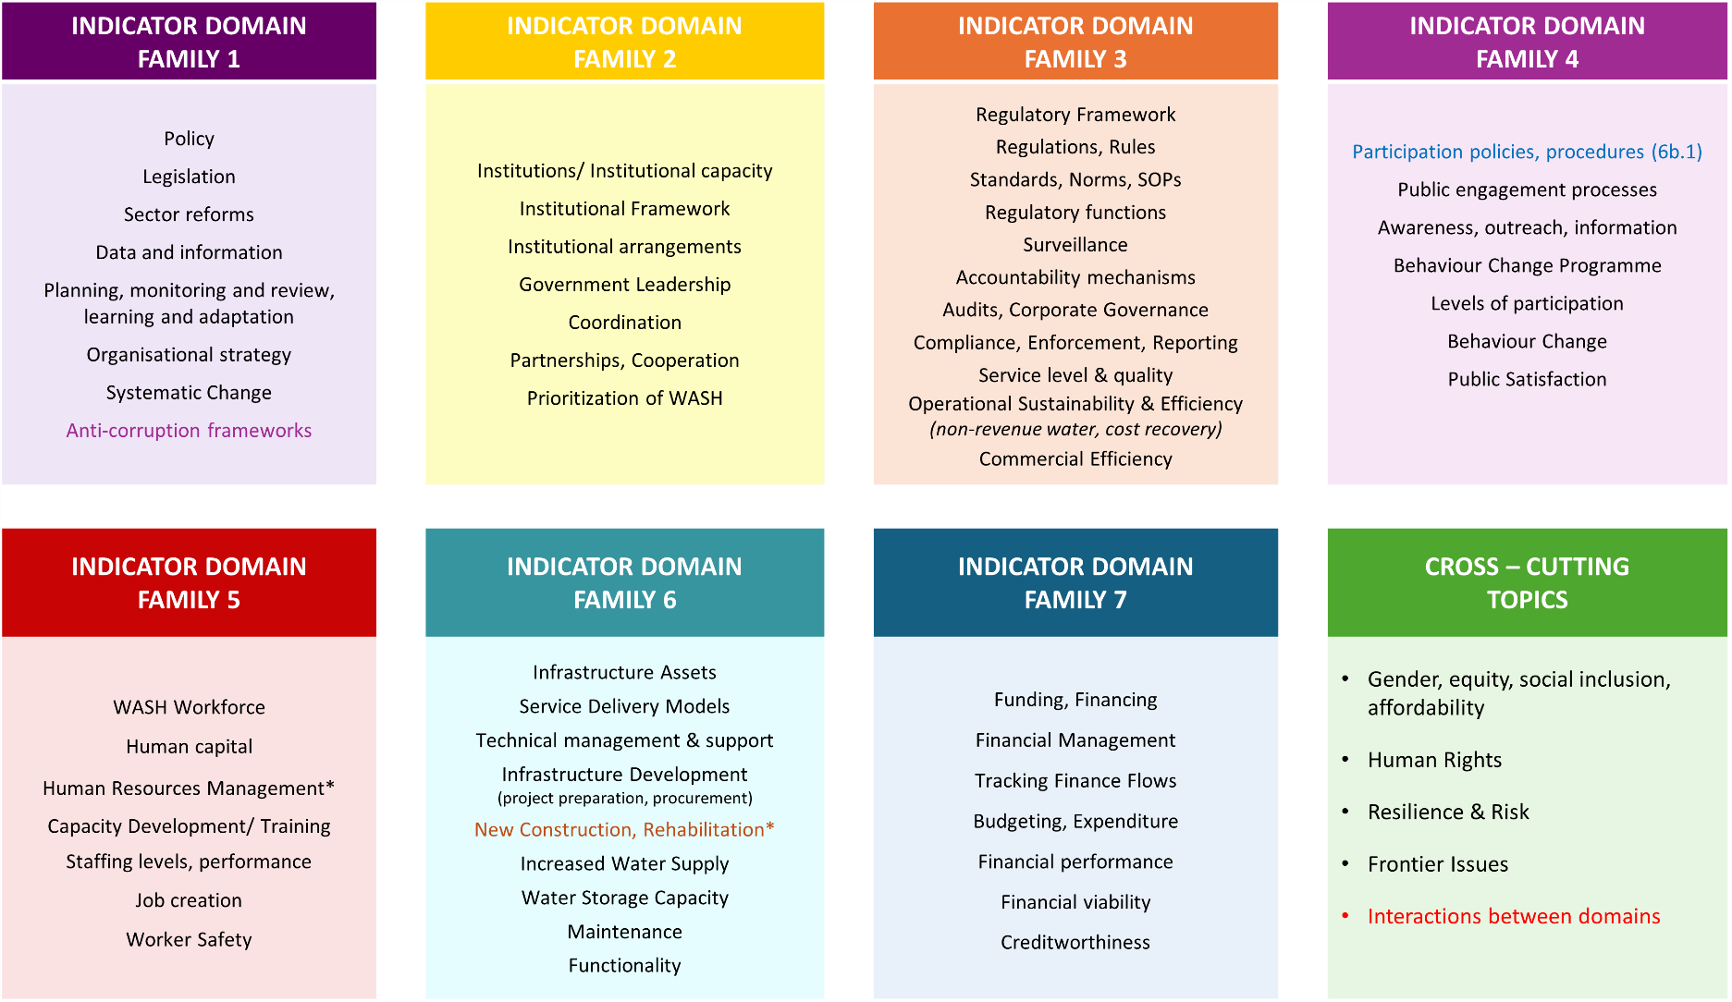
Row Labels | Count of A2A Domain
Family 1 | 84
Family 1 | 2
Family 2 | 5
Family 3 | 44
Family 4 | 42
Family 5 | 20
Family 6 | 175
Family 7 | 50
Grand Total | 422

